Trade Show-Roadshow 27

Color Legend |  |  |  | Applications for FMPS: Outdoor Wireless, In-Building Wireless, Digital Signage, Lighting, GPON, Security, Smart Buildings, etc. |  |  |  |  | Security and Healthcare shows as thought leadership, no booth
Done |  |  |  |  |  |  |  |  | Warehouse specific shows - fulfillment,
Displaying - Confirmed |  |  |  |  |  |  |  |  | Lighting specific shows with MHT, Acuity
Walking |  |  |  |  |  |  |  |  | Check on early submission for thought leadership/classes |  | 2025
Vacations |  |  |  |  |  |  |  |  | Data center - top 2 we attend
Place Holder - No commitment yet |  |  |  |  |  |  |  |  | Oil & Gas / Mining

Dropdowns only work on Web version |  |  |  |  |  |  |  |  | EDUCAUSE Sep 29-Oct2 | https://events.educause.edu/annual-conference/2026

Event Name | Event Type | Location | Booth Size | Booth Property Needed | Status | Team Member(s) Working Event | Owner - Team | Theater | Notes | Jan | Feb | Mar | Apr | May | Jun | Jul | Aug | Sep | Oct | Nov | Dec | Budget | Support | Show Start Date | Graphics* 8 weeks prior to show. | Leads Data | Show Notes
BICSI | Trade Show | Orlando, FL | 30 x 30 | Towers - Both | Confirmed | All | Mahmoud | NA | FMPS Full Display. Orlando World Center Marriot | 18-22 |  |  |  |  |  |  |  |  |  |  |  |  |  |  |  |  | CRM campaign code 20260118_NA_EN_TS_BICSI Winter - BROB
Cisco FMPS Petting Zoo |  | Austin, TX |  | Demo (Tabletop) TSE DEMO-KIT | Confirmed | Other | Bob | NA | Hey Vince, I need to borrow an FMP demo kit in January to support FMP interoperability work. The current plan is to set up an FMP petting zoo at a Cisco office very close to the IEEE meeting. The petting zoo would take place 19Jan2026 in Austin, TX so I'd need the equipment to be shipped to the Cisco office for arrival on 15Jan with return shipping set up. We'd do the petting zoo the evening of 19Jan, pack it up and ship it back from the Cisco office the next day. | 19
Wesco Construction Event | Distributer Event | Atlanta, GA (Omni Atlanta Centenial Park) | Counter Show | Demo (Tabletop) TSE DEMO-KIT | Confirmed | Other |  | NA | Wesco Event see Stacy Lacer and Todd S. | 20
Cisco Live EMEA - Amsterdam | Trade Show | Amstrerdam | Innovation Area | No Booth |  | Mahmoud | Mahmoud | EMEA |  |  | 9-13
ITEXPO | Trade Show + Partner Booth | Ft Lauderdale, FL |  |  |  |  |  |  | This is who we won the Smart City Award from - put it on our calendar as a potential walk through to see if we can attend with Cisco (they have a booth). https://www.itexpo.com/east/ |  | 10-12
Mobile World Congress | Lab | Barcelona, Spain | Lab | Cisco + Panduit Lab | Exploring |  |  |  | Notes from Project Edison meeting: The team identified a "nirvana prize" opportunity to set up a demonstration lab in the NTT space at Mobile World Congress (MWC). Logistics, space requirements, and leveraging local personnel for the MWC demo will be investigated. Andrew: Look into logistics of demo setup and execution. Stu: Investigate NTT space and logistics for demo. |  |  | 2-5
Graybar LA Broadband and Wireless Event | Distributer Event |  | No Booth | Demo (Tabletop) | Confirmed | Vince | Vince | NA | Graybar LA Broadband and Wireless Event - Validate with Mike V. on Table Top - LA Region 1 day: Can we get additional calls this week. Jimmy Boyde Local customer on 4-18, Event the 19th, and TechNet Partner on the 20th. |  |  | 18-20
Graybar Spring NTC - Denver - Industrial Enclosure | Distributer Event | Denver, CO |  | 4-Post Rack | Confirmed | Joe | Joe | NA |  |  |  | 20-22
ISC West Show | Trade Show + Partner Booth | Las Vegas, NV | 10 x 20 | Tower - Main + Tabletop | Confirmed |  |  | NA | 1.30.26 Karen confirmed we're signed up. https://www.discoverisc.com/west/en-us/media/show-news/registration-for-isc-west-2026-now-open.html |  |  | 23-27
NECA Emerge | Tabletop Display + Speaking | Atlanta, GA | 6' Table | Demo (Tabletop) TSE DEMO-KIT |  | Vince + Mahmoud | Mahmoud | NA | From email with Jeff Beavers: Katie Carey is your key POC for logistics and other inquiries - Katherine.Carey@necanet.org. Entry form is in email inquiry from Mahmoud to Jeff. 265 Peachtree Center Ave NE, Atlanta, GA 30303 Move-in/Set-up: April 14, 2026. Show Hours: April 14, 2026 4:30pm – 6:30pm April 15, 2026 5:00pm – 7:00pm. Move-out/Dismantle April 15, 2026 Jeff Beavers secured placement on a Panel with Jason Shearer, Zach Magid, Kevin Flanagan. Topic is: Building Smarter: Deploying FMP, PoE Lighting, and IoT Systems for the Workplace of the Future. There might be more, pending a conversation Jeff is having with his education team. |  |  |  | 13-15
OTC Conference |  | Houston, TX |  |  |  |  |  |  |  |  |  |  |  | 4-7
Tel-labs Event | Trade Show | Louisville, KY |  | Table Top |  | Frank S. |  | NA | Need to explore partnerships with TelLabs, end to end solution |  |  |  |  | 13-14
Cisco Live - LAUNCH Gen2 | Trade Show | Las Vegas, NV | 20 x 30 | Towers - Both |  | Mahmoud + Vince + Chuks | Deb | NA |  |  |  |  |  | 31-4 | 31-4 |  |  |  |  |  |  |  |  |  |  | 1276 Badge Scans, 466 AQL | New booth debut - lots of positive feedback. Mahmoud and Vince interviewed for BizTech and Tech Talks podcasts, respectively.
IBCON/RealComm | Trade Show | San Diego, CA | 10 x 20 | Demo + Backdrop |  | Joe | Joe | NA |  |  |  |  |  |  | 3-4 |  |  |  |  |  |  |  |  |  |  | 28 total: 23 brand new, 15 AQL today, 1 AQL in the past, 0 were excluded | MikeBerg mentioned that, "the speaking opportunities help tremendously for people to come over and understand what we are showing."
Cisco Tech X Event | Trade Show + Speaking | Omaha, NE | 10 x 10 |  |  | Joe |  |  |  |  |  |  |  |  | 10 |  |  |  |  |  |  |  |  |  |  |  | Smaller Cisco show event with a 10x10. Will have a speaking opportunity - need to determine who. Same marketing format as with consultant roadshows. From call with Kayla: Will be pulling in Karen to figure out booth property - can we use a tower (height restrictions) if so, can we ship to the show from Cisco Live?
BICSI Fall | Trade Show + Speaking | Las Vegas, NV | 10 x 10 | Tower - Main |  | Bob | Bob | NA |  |  |  |  |  |  |  |  | 30-3
Cisco Connect Mexico |  | Mexico |  |  | Confirmed | Chuks | Chuks | LATAM | Mexico is supporting and has all components for this show. |  |  |  |  |  |  |  |  | 28-30
NECA 2026 Convention and Trade Show | Trade Show + Speaking | Las Vegas, NV | 10 x 20 | Tower - Main |  | All | Mahmoud | NA | Submissions due by Feb 2nd |  |  |  |  |  |  |  |  |  | 4-7 |  |  |  |  | 2024-09-28 | 2024-08-03
On-Boarding | Partner Onboarding | Dallas |  |  |  |  | Joe |  | Mike Stenzel working on candidates. |  |  |  |  |  |  |  |  |  | 13-17
Graybar NTC | Trade Show | San Antonio, TX |  | Tower - Main |  | Joe | Joe | NA |  |  |  |  |  |  |  |  |  |  | 24-26 |  |  |  |  | 2024-10-24
CITE California | Trade Show | Anaheim, CA | 10 x 20 | Towers - Both |  | Vince | Vince | NA |  |  |  |  |  |  |  |  |  |  |  | 9-11
Rockwell Automation Fair | Trade Show | Boston, MA |  | Demo (Tabletop) TSE DEMO-KIT |  | Mahmoud |  | NA | Check on early submission for classes |  |  |  |  |  |  |  |  |  |  | 16-19 |  |  |  | 2024-11-18 | 2024-09-23
ISC East- Scouting | Trade Show Partner Booth | New York | No Booth | No Booth |  |  | Joe |  | Joe to see if we can get in with Axis - In NY City FIrst ISC scouting only. TBD with Axis |  |  |  |  |  |  |  |  |  |  | 18-20
Onboarding and Enduser Meetings | Onboard | California |  | Demo + Hands-on Kit 1 |  |  | Joe |  | Hey Joe! I’ve actually got 4-5 customers 1 end user, 2 contractors and 2 consultants. We would like early to mid March if possible! Tyler |  |  | Mid March?
Onboarding and Enduser Meetings | Onboard | Florida |  | Demo (Tabletop) TSE DEMO-KIT |  |  |  |  | POC Sale for Brevard School District ; Onboard contractor set up for POC |  | TBD
REXEL event request | Trade Show | Rochester, NY |  | Demo (Tabletop) TSE DEMO-KIT |  |  |  |  | 2026 Rexel Tech Tour: Exhibitor Registration Form (NY) Wednesday, April 29th, 2025 • Rochester, NY |  |  |  | 2026-04-29
ISC- WEST | Trade Show Partner Booth | Las Vegas, NV |  | Demo (Tabletop) TSE DEMO-KIT |  | Other |  |  | We will be guest at the Graybar booth.. Table top wit Extended reach cable |  |  | 3/23-3/27

2026 REQUEST
Dallas Onboading request from postponed above (Jan) M<ike S
South Caroline Onboarding Request Mike W (Jan)

 | Move Road shows into above table: Need to align dates and availablity of DEMO and Staff to support
Region / Sales Group | FMPS / Smart Building - Road Shows |  |  | Table - DEMO Unit Required
South Central Meeting | Local Event |  |  | Table - DEMO Unit Required
North Central Meeting | Local Event |  |  | Table - DEMO Unit Required
Northeast Meeting | Local Event |  |  | Table - DEMO Unit Required
South East Meeting - Q2 Road Show | Local Event |  |  | Table - DEMO Unit Required |  |  |  | NA |  |  |  |  | Possible Q2
West-Coast / EFI Region | Local Event |  |  | Table - DEMO Unit Required
Canada Meeting | Local Event |  |  | Table - DEMO Unit Required
Inside Sales | Local Event |  |  | Table - DEMO Unit Required
TSE Meeting | Local Event |  |  | Table - DEMO Unit Required
Global Accounts | Local Event |  |  | Table - DEMO Unit Required
 | Local Event

NTI

National Training Institute – Proudly working together to train the Electrical Industry's Premier Workforce. (electricaltrainingevents.org)

NOTE: Joe K will be out of the country

NOTE: Deb added all events on excel onto FMPS Outlook calendar (as of 4.28.25)

NOTE: Need to add booth # for easier marketing. Would like to add something in where we can set up alerts when we're double booked for a booth property or a person. Let's also consider adding in a tabletop "check-in/check-out" so we know who has it (Joe suggestion).

Case Studies
Case Studies

Item | Customer | Contractory / Installer | Co-Author | Distsributor | Date of Install | Location | Application / Need: | Installation | Miller Electrric Comments | Link to Images | Notes from 7/1/2024 | Phase 1 Panduit & Miller | Phase 2 Panduit Miller Navy
1 | JAX NAS | Miller Electric: Chris Culver | Helga Oliver-Miller electric holiver@mecojax.com | Graybar | May-24 | Jacksonville FL | Remote power to PoE switches, monitors, and media converters. They needed 56VDC to power a PoE switch: We specified a 3rd party voltage booster. They needed AC to power monitors and media converters: We specified a 3rd party DC to AC inverter. Customer: Miller Electric Location: Jacksonville, Florida End User: Navy Distributor: Graybar Application: Powering PoE switches, monitors, and media converters Number of remote locations: 20 | Installation of Panduit Fault Managed Power System. Used to power PoE Cameras using 56VDC power at verious remote locations The Panduit FMPS was installed in three different location Once location consisting of 11 Remote Locations, another with 4 Remote location and a thrid with 5 Remote locations The Panduit Team worked directly with Miller Electric from the early design stages to help validate and deploy an architecture which would meet the requirement to deploy From this Panduit was able to provide a full bill of materials, cable layouts and reference designs The installation required the use of 4 Transmitter Chassis, 20 Transmitter Modules, 20 Receivers, 12 Power Supply Units, and over 9,000' of Panduit UL Class 4 Listed Cable. In addition, Panduit helped to spec in a DC Power Booster to meet the power requirements of the PoE Switch and end devices. | By far the easiest electrical installations we have ever done. What would have normally taken us 5-6 days to install with traditional Class 1 power, took under two days to fully deply from the head-end to each of the remote locations in all three building. |  | Follow up with Miller Next week on release and consent from Navy. 7/8/2024 | Draft by Aug 9th, 2024 for review prior to Aug 12. | Follow up with Helga at Miller. Week of July 28th, 2024. | 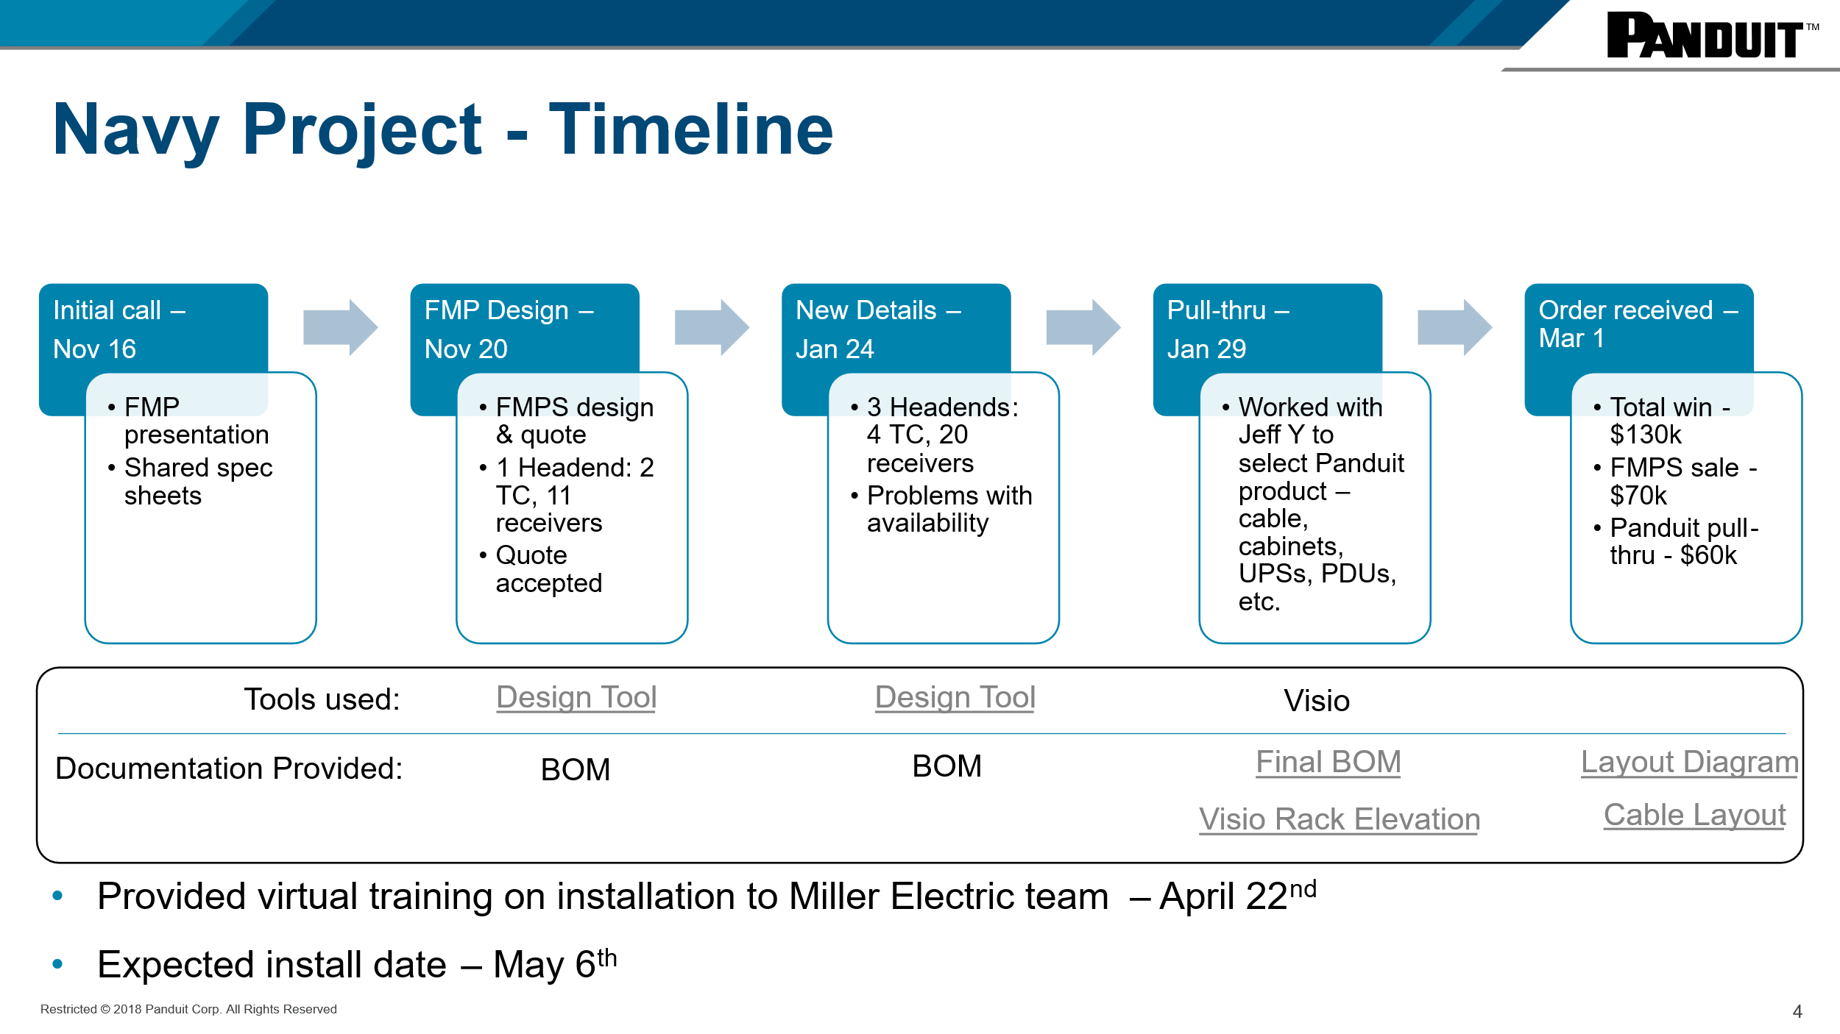

 |  |  |  |  |  |  | Business Challenge
 |  |  |  |  |  |  | Relationship with Client
 |  |  |  |  |  |  | How we partnered
 |  |  |  |  |  |  | Business Challenge - Solution - FMPS, Racks, cables, busniess benefit - Completed Installations, Positive from client, ease of installation, time to install, etc., pleasently supprised, Navy site this is on, how this this helped with survalance / security, etc.
 |  |  |  |  |  |  | Scott - Invite to have him on the call or after the call
 |  |  |  |  |  |  | Sales Rep awarded the opportunity

 |  |  |  |  |  |  | Two buckets - Panduit Market Perspective - Government is a big piller for Enterprise
 |  |  |  |  |  |  | Qualifiing FMPS the easiest Power Distribution on the market with system intergrators

 |  |  |  |  |  |  | Two part headline - Panduit partners with Miller electric to provide supoerioiur FMPS to the US Navy
 |  |  |  |  |  |  | From there small portion what the ask was of miller electric - how they partnered with us to us the technology to reach their goals
 |  |  |  |  |  |  | What are the benefits to the Navy
 |  |  |  |  |  |  | Partnership vs. how we helped you

 |  |  |  |  |  |  | Finish by end of July

 |  |  |  |  |  |  | Back on this full steam ahead - First Draft Due 8-30-24

 |  | URL for Cisco on Case Study
 |  | White Paper - Alliance and High light and referance.

 |  | Digital Enablement - Chad
 |  | Published on Panduit.com
 |  | Changing the way we publish case studies to on-page content
 |  | Case studies will live on Panduit.com and published on-line
 |  | Link to this on Panduit.com
 |  | Promoting on Social Media - Nuture - Email - Blog Content
 |  | Making sure the Sales team is aware of it.
 |  | GSIC - This would be a good presentation to them in October
 |  | Power Point Slides on how to promote this
 |  | Still working today and

 |  | Case Study needed to be converted to On-Page Article - Digital will develop Article Page
 |  | Posted on Social

Email - Drip
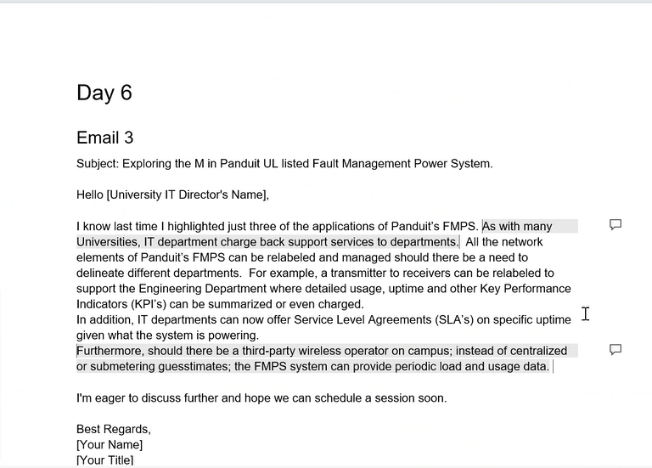
EMAIL Drip
Dawn Willians | Marketo Side
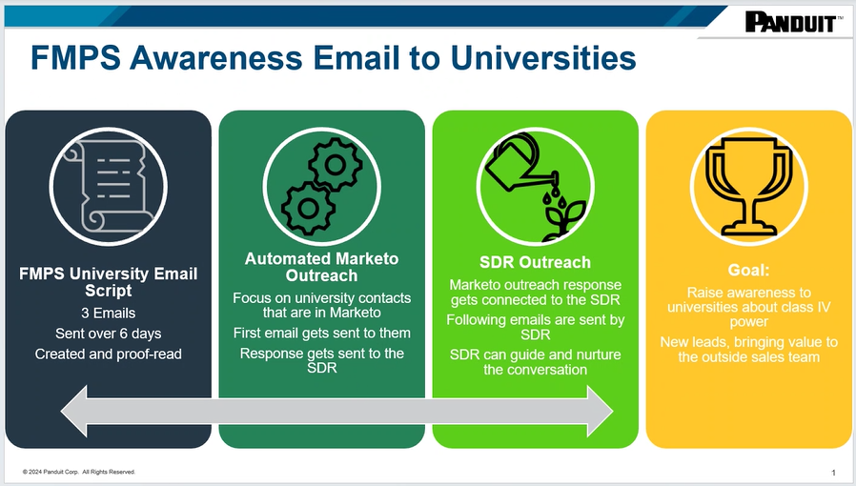

 | Day 1
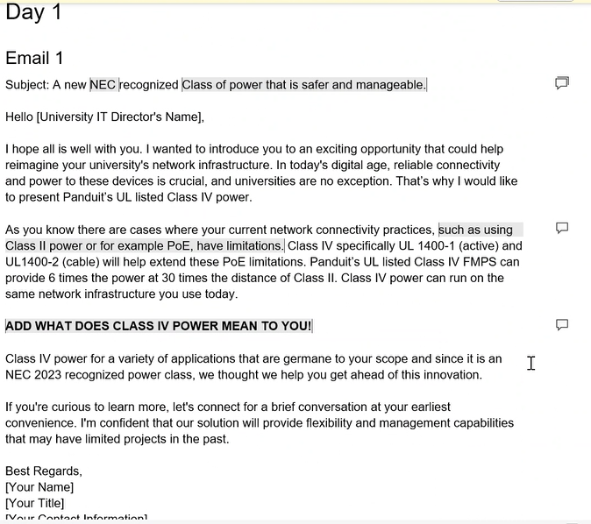

 | Day 3

MARCOM
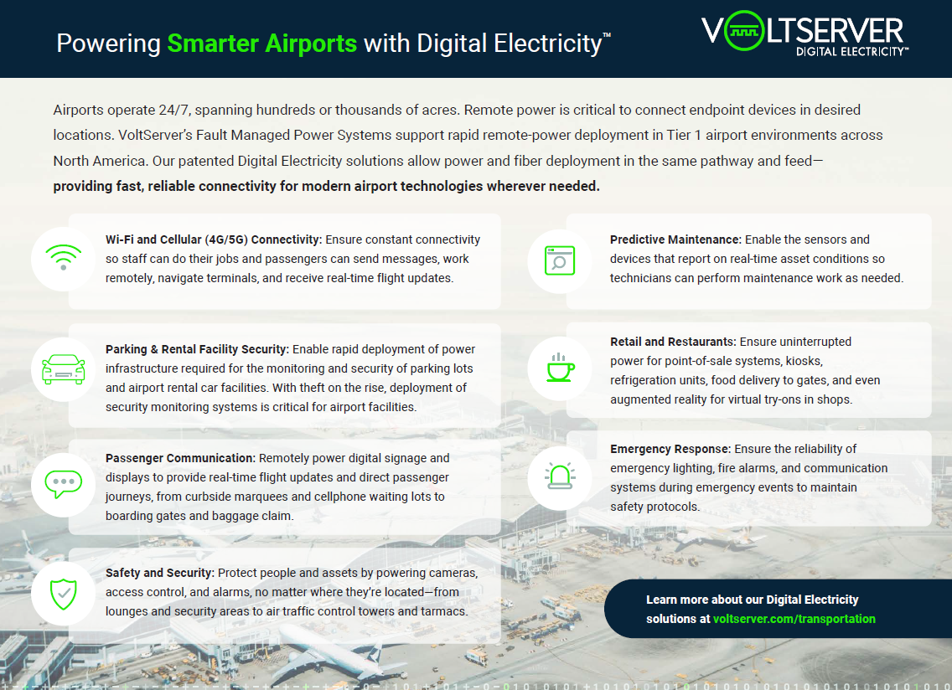
 | Vertical Market Sell Sheets
 | one pager similar to Voltserver Documents i.e. Airports
 | See Sandy's Email regarding updating existing Content for NI Markets where Panduit is strong today already.
 | Healthcare, Education, Industrial Networking (Food & Beverage, Automotive, CPG), Warehouse Automation, Finance, Commercial Real Estate, Commercial Office Building , Government
 | Start with one or two and build the content around FMPS and Product - Then we can expand to others.
 | Smart Building E-Book to include FMPS - Refresh already planned for 2024. |  |  | Q4 -2024: Update / Draft needed by end of September 2024
 | Industrial Products adding in new products before the end of the year - |  |  | Will be in late december 2024
 | Draft of #1 by Sept. 2 and Publish by Sept 29 |  | Draft
 | One Pager on our Landing Page for the FMPS-KIT | Vince | 2024-09-09

Item # | Vertical / Personas | Wi-Fi & Cellular | Parking and Rental Facilities | Passanger Communication | Predictive Maintenance | Retail and Restruants | Emergency Response | Power Monitoring | Control Systems | Intelegent Lighting | Network Equipment | Building management | IT Infrastucture | PoE Devices | Other Low-Voltage equipment | LED Displays - Digital Signage | Sound Systems | Security Cameras
1 | Airports | x | x | x | x | x | x | x
2 | Railway
3 | Health Care
4 | General Manufacturing
5 | Stadiums
6 | Hotels
7 | Clinics
8 | Data Centers
9 | Telecom Networks
10 | Cell Towers
11 | Education
12 | Campus
13 | Large Tradeshow Venues / Convention Centers
14 | Agriculture
15 | Office Buildings
16 | Shopping Centers and Malls
17 | Municipalities / City Venues / Events
18 | Theaters and Concert Venues
19 | Military Facilities
20 | Public Safety
21 | Smart Buildings
22 | Smart Cities
23 | Solar Farms
24 | Wind Farms

